Instructions
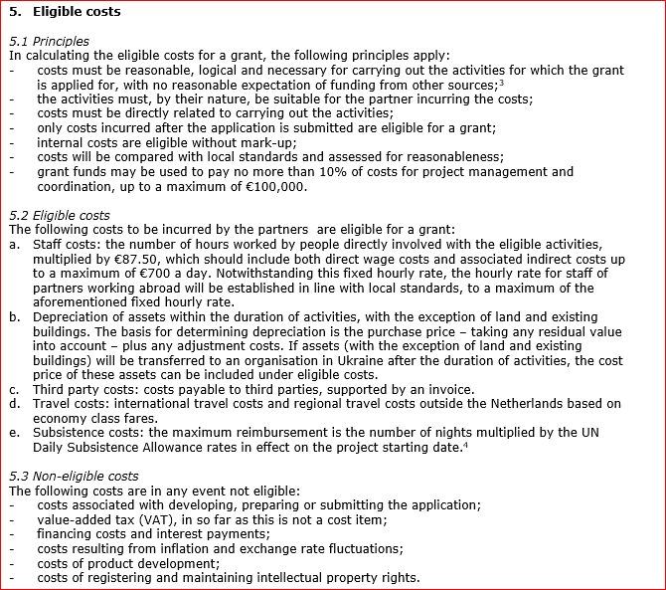
- Please note: the number of partners is a minimum of 2 (applicant including) and a maximum of 6
- Please note: the lead partner (applicant) has te be a Dutch entity
- Please note: the number of phases must be in proportion to the content of the project

- For the actual Daily Subsistence Allowance rates, see link below (in Dutch).
Tarieflijsten verblijfkosten buitenlandse dienstreizen | Travelpoint | SSO3W

Project


 |  | BUDGET CALCULATION |  |  |  |  |  |  | UKRAINE PARTNERSHIP FACILITY
 |  |  |  |  |  |  |  |  |  |  | GENERAL INSTRUCTIONS
 | PROJECT |  |  |  |  |  |  |  |  |  | Instructions tab
 |  |  |  |  |  |  |  |  |  | VAT liable? Yes/No | - Please read the Instructions tab carefully before completing this form
Project title: |  |  |  |  |  |  | Partner 1 (applicant):
Primary theme: |  |  |  |  |  |  | Partner 2: |  |  |  | Project tab
Total budget: |  | € 0 | (automatically filled) |  |  |  | Partner 3: |  |  |  | Top column:
Subsidy request: |  |  |  |  |  |  | Partner 4: |  |  |  | - Enter all requested project information in the top column
Start date: |  |  |  |  |  |  | Partner 5: |  |  |  | - Please note: the total budget in the top column is automatically filled based on the tabs per phase
End date: |  |  |  |  |  |  | Partner 6:
 |  |  |  |  |  |  |  |  |  |  | Project costs overview:
 |  |  |  |  |  |  |  |  |  |  | - Please note: the table Project costs is automatically filled based on the tabs per phase

 |  |  |  |  |  |  |  |  |  |  | Tabs per phase (1 to 5)
 | PROJECT COSTS OVERVIEW |  |  |  | This table is automatically filled. All amounts are in EUROS. |  |  |  |  |  | - Fill in the sheets per phase in tabs Phase 1 to 5 (until when applicable)
 |  |  |  |  |  |  |  |  |  |  | - The names of partners are automatically transferred to the tabs per phase
COST TYPE |  |  | Phase 1 | Phase 2 | Phase 3 | Phase 4 | Phase 5 |  |  |  | - If more rows are needed in the tabs per phase, insert them and extend the formulas in the 'Budget' column
1. Staff costs Netherlands |  |  | 0 | 0 | 0 | 0 | 0
2. Staff costs abroad |  |  | 0 | 0 | 0 | 0 | 0
3. Third party costs |  |  | 0 | 0 | 0 | 0 | 0
4. Travel costs |  |  | 0 | 0 | 0 | 0 | 0
5. Subsistence costs |  |  | 0 | 0 | 0 | 0 | 0
6. Asset depreciation |  |  | 0 | 0 | 0 | 0 | 0
 |  | Total: | 0 | 0 | 0 | 0 | 0 | 0

PARTNER |  |  | Phase 1 | Phase 2 | Phase 3 | Phase 4 | Phase 5
1: |  |  | 0 | 0 | 0 | 0 | 0
2: |  |  | 0 | 0 | 0 | 0 | 0
3: |  |  | 0 | 0 | 0 | 0 | 0
4: |  |  | 0 | 0 | 0 | 0 | 0
5: |  |  | 0 | 0 | 0 | 0 | 0
6: |  |  | 0 | 0 | 0 | 0 | 0
 |  | Total: | 0 | 0 | 0 | 0 | 0 | 0

